Sheet1
Date : 2023-12-01 ~ 2023-12-31

Baseline: Average 22 to 26 degrees celcius
Floor | DEK Name | Equipment Name | No. of CRACs (Running) | No. of CRACs (N) | Cooling Cap (Kw) | Min Avg Temperature | Maximum Avg Temperature | Average Temperature
7F | 7-CRACRm-CRAC-01 | Main CRAC 7F-1 | 1 | 1 | 105.48 | 25.30 ℃ | 26.50 ℃ | 25.94 ℃
 | 7-CRACRm-CRAC-02 | Main CRAC 7F-2 | 1 | 1 | 105.48 | 25.70 ℃ | 27.00 ℃ | 26.45 ℃
 | 7-CRACRm-CRAC-03 | Main CRAC 7F-3 | 1 | 1 | 105.48 | 19.20 ℃ | 27.10 ℃ | 26.58 ℃
 | 7-CRACRm-CRAC-04 | Main CRAC 7F-4 | 1 | 1 | 105.48 | 25.30 ℃ | 27.20 ℃ | 26.57 ℃
6F | 6-CRACRm-CRAC-01 | Main CRAC 6F-1 | 1 | 1 | 105.48 | 23.20 ℃ | 27.80 ℃ | 26.91 ℃
 | 6-CRACRm-CRAC-02 | Main CRAC 6F-2 | 1 | 1 | 105.48 | 19.00 ℃ | 27.50 ℃ | 26.76 ℃
 | 6-CRACRm-CRAC-03 | Main CRAC 6F-3 | 1 | 1 | 105.48 | 17.30 ℃ | 24.60 ℃ | 20.19 ℃
 | 6-CRACRm-CRAC-04 | Main CRAC 6F-4 | 1 | 1 | 105.48 | 24.80 ℃ | 28.00 ℃ | 26.94 ℃
 | 6-DaHall 1-CRAC-01 | Aux. CRAC 6F-1 | 1 | 1 | 70.32 | 23.00 ℃ | 25.30 ℃ | 24.50 ℃
 | 6-DaHall 1-CRAC-02 | Aux. CRAC 6F-2 | 1 | 1 | 70.32 | 23.30 ℃ | 25.40 ℃ | 24.63 ℃
 | 6-DaHall 1-CRAC-03 | Aux. CRAC 6F-3 | 1 | 1 | 70.32 | 23.60 ℃ | 25.50 ℃ | 24.80 ℃
5F | 5-CRACRm-CRAC-01 | Main CRAC 5F-1 | 1 | 1 | 105.48 | 24.10 ℃ | 25.50 ℃ | 24.77 ℃
 | 5-CRACRm-CRAC-02 | Main CRAC 5F-2 | 1 | 1 | 105.48 | 24.50 ℃ | 25.80 ℃ | 25.08 ℃
 | 5-CRACRm-CRAC-03 | Main CRAC 5F-3 | 1 | 1 | 105.48 | 24.40 ℃ | 25.90 ℃ | 25.02 ℃
 | 5-CRACRm-CRAC-04 | Main CRAC 5F-4 | 1 | 1 | 105.48 | 24.00 ℃ | 25.40 ℃ | 24.56 ℃
 | 5-DaHall 1-CRAC-13 | CF CRAC-#01 | 0 | 1 | 32.55 | 27.90 ℃ | 33.20 ℃ | 32.64 ℃
 | 5-DaHall 1-CRAC-14 | CF CRAC-#02 | 0 | 1 | 32.55 | 23.60 ℃ | 27.20 ℃ | 26.12 ℃
 | 5-DaHall 1-CRAC-01 | LG CRAC-#01 | 0 | 1 | 32.55 | 21.80 ℃ | 30.50 ℃ | 28.72 ℃
 | 5-DaHall 1-CRAC-02 | LG CRAC-#02 | 1 | 1 | 32.55 | 22.50 ℃ | 28.10 ℃ | 25.27 ℃
 | 5-DaHall 1-CRAC-03 | LG CRAC-#03 | 0 | 1 | 32.55 | 19.30 ℃ | 28.80 ℃ | 27.18 ℃
 | 5-DaHall 1-CRAC-04 | LG CRAC-#04 | 1 | 1 | 32.55 | 22.90 ℃ | 25.60 ℃ | 24.05 ℃
 | 5-DaHall 1-CRAC-05 | LG CRAC-#05 | 0 | 1 | 32.55 | 20.80 ℃ | 25.20 ℃ | 21.63 ℃
 | 5-DaHall 1-CRAC-06 | LG CRAC-#06 | 1 | 1 | 32.55 | 21.50 ℃ | 24.80 ℃ | 23.61 ℃
 | 5-DaHall 1-CRAC-07 | LG CRAC-#07 | 0 | 1 | 32.55 | 17.30 ℃ | 27.00 ℃ | 19.99 ℃
 | 5-DaHall 1-CRAC-08 | LG CRAC-#08 | 0 | 1 | 32.55 | 19.50 ℃ | 23.30 ℃ | 21.91 ℃
 | 5-DaHall 1-CRAC-09 | LG CRAC-#09 | 0 | 1 | 32.55 | 18.90 ℃ | 25.00 ℃ | 21.11 ℃
 | 5-DaHall 1-CRAC-10 | LG CRAC-#10 | 0 | 1 | 32.55 | 20.70 ℃ | 30.50 ℃ | 22.16 ℃
 | 5-DaHall 1-CRAC-11 | LG CRAC-#11 | 0 | 1 | 32.55 | 22.20 ℃ | 25.00 ℃ | 23.39 ℃
 | 5-DaHall 1-CRAC-12 | LG CRAC-#12 | 0 | 1 | 32.55 | 19.10 ℃ | 22.60 ℃ | 20.65 ℃
 | 5-DaHall 1-CRAC-15 | Aux. CRAC 5F-1 | 0 | 1 | 24.4 | 27.50 ℃ | 30.00 ℃ | 28.40 ℃
 | 5-DaHall 1-CRAC-16 | Aux. CRAC 5F-2 | 0 | 1 | 24.4 | 26.00 ℃ | 28.50 ℃ | 26.92 ℃
4F | 4-CRACRm-CRAC-01 | Main CRAC 4F-1 | 1 | 1 | 105.48 | 24.80 ℃ | 26.00 ℃ | 25.47 ℃
 | 4-CRACRm-CRAC-02 | Main CRAC 4F-2 | 1 | 1 | 105.48 | 24.40 ℃ | 25.70 ℃ | 25.18 ℃
 | 4-CRACRm-CRAC-03 | Main CRAC 4F-3 | 1 | 1 | 105.48 | 23.80 ℃ | 25.80 ℃ | 24.91 ℃
 | 4-CRACRm-CRAC-04 | Main CRAC 4F-4 | 1 | 1 | 105.48 | 23.70 ℃ | 25.70 ℃ | 24.97 ℃
 | 4-DaHall 1-CRAC-05 | Aux.E_CRAC 4F-1 | 1 | 1 | 65 | 25.90 ℃ | 28.30 ℃ | 27.09 ℃
 | 4-DaHall 1-CRAC-06 | Aux.E_CRAC 4F-2 | 1 | 1 | 65 | 24.00 ℃ | 26.00 ℃ | 24.40 ℃
 | 4-DaHall 1-CRAC-02 | Aux. CRAC 4F-1 | 1 | 1 | 16.3 | 23.00 ℃ | 25.50 ℃ | 24.31 ℃
 | 4-DaHall 1-CRAC-03 | Aux. CRAC 4F-2 | 1 | 1 | 16.3 | 15.50 ℃ | 25.00 ℃ | 23.08 ℃
 | 4-DaHall 1-CRAC-04 | Aux. CRAC 4F-3 | 1 | 1 | 16.3 | 19.00 ℃ | 30.00 ℃ | 29.24 ℃
 | 4-DaHall 1-CRAC-01 | Aux. CRAC 4F-4 | 1 | 1 | 35 | 23.70 ℃ | 26.30 ℃ | 24.88 ℃ | Not connected with FMS

Baseline: Average 30 to 70 % RH
Floor | DEK Name | Equipment Name | No. of CRACs (Running) | No. of CRACs (N) | Cooling Cap (Kw) | Min Avg Humidity | Maximum Avg Humidity | Average Humidity
7F | 7-CRACRm-CRAC-01 | Main CRAC 7F-1 | 1 | 1 | 105.48 | 18.60 % | 43.60 % | 35.79 % |  | 7-1 Collecting integrated data
 | 7-CRACRm-CRAC-02 | Main CRAC 7F-2 | 1 | 1 | 105.48 | 19.20 % | 43.90 % | 36.12 % |  | 7-2 Collecting integrated data
 | 7-CRACRm-CRAC-03 | Main CRAC 7F-3 | 1 | 1 | 105.48 | 20.40 % | 62.50 % | 35.74 % |  | 7-3 Collecting integrated data
 | 7-CRACRm-CRAC-04 | Main CRAC 7F-4 | 1 | 1 | 105.48 | 17.50 % | 40.60 % | 33.75 % |  | 7-4 Collecting integrated data
6F | 6-CRACRm-CRAC-01 | Main CRAC 6F-1 | 1 | 1 | 105.48 | 10.80 % | 45.50 % | 34.46 % |  | 6-1,6-2 Collecting integrated data
 | 6-CRACRm-CRAC-02 | Main CRAC 6F-2 | 1 | 1 | 105.48 | 11.80 % | 63.50 % | 33.60 % |  | 6-1,6-2 Collecting integrated data
 | 6-CRACRm-CRAC-03 | Main CRAC 6F-3 | 1 | 1 | 105.48 | 16.80 % | 71.60 % | 50.14 % |  | 6-3,6-4 Collecting integrated data
 | 6-CRACRm-CRAC-04 | Main CRAC 6F-4 | 1 | 1 | 105.48 | 10.90 % | 44.10 % | 37.24 % |  | 6-3,6-4 Collecting integrated data
5F | 5-CRACRm-CRAC-01 | Main CRAC 5F-1 | 1 | 1 | 105.48 | 15.10 % | 42.40 % | 37.11 % |  | 5-1 Collecting integrated data
 | 5-CRACRm-CRAC-02 | Main CRAC 5F-2 | 1 | 1 | 105.48 | 14.50 % | 41.20 % | 36.09 % |  | 5-2 Collecting integrated data
 | 5-CRACRm-CRAC-03 | Main CRAC 5F-3 | 1 | 1 | 105.48 | 12.30 % | 40.80 % | 34.67 % |  | 5-3 Collecting integrated data
 | 5-CRACRm-CRAC-04 | Main CRAC 5F-4 | 1 | 1 | 105.48 | 12.90 % | 42.20 % | 35.76 % |  | 5-4 Collecting integrated data
 | 5-DaHall 1-CRAC-13 | CF CRAC-#01 | 0 | 1 | 32.55 | 25.90 % | 29.40 % | 26.33 % | Stand-by CRAC
 | 5-DaHall 1-CRAC-14 | CF CRAC-#02 | 0 | 1 | 32.55 | 27.70 % | 30.40 % | 28.42 % | Stand-by CRAC
 | 5-DaHall 1-CRAC-01 | LG CRAC-#01 | 0 | 1 | 32.55 | 25.70 % | 31.60 % | 26.70 % | Stand-by CRAC
 | 5-DaHall 1-CRAC-02 | LG CRAC-#02 | 1 | 1 | 32.55 | 29.40 % | 33.10 % | 31.27 %
 | 5-DaHall 1-CRAC-03 | LG CRAC-#03 | 0 | 1 | 32.55 | 24.70 % | 31.50 % | 25.89 % | Stand-by CRAC
 | 5-DaHall 1-CRAC-04 | LG CRAC-#04 | 1 | 1 | 32.55 | 30.60 % | 32.80 % | 31.82 %
 | 5-DaHall 1-CRAC-05 | LG CRAC-#05 | 0 | 1 | 32.55 | 29.60 % | 32.30 % | 31.80 % | Stand-by CRAC
 | 5-DaHall 1-CRAC-06 | LG CRAC-#06 | 1 | 1 | 32.55 | 30.50 % | 32.30 % | 31.18 %
 | 5-DaHall 1-CRAC-07 | LG CRAC-#07 | 0 | 1 | 32.55 | 25.30 % | 32.20 % | 29.67 % | Stand-by CRAC
 | 5-DaHall 1-CRAC-08 | LG CRAC-#08 | 0 | 1 | 32.55 | 28.90 % | 30.00 % | 29.92 % | Stand-by CRAC
 | 5-DaHall 1-CRAC-09 | LG CRAC-#09 | 0 | 1 | 32.55 | 26.40 % | 30.50 % | 28.67 % | Stand-by CRAC
 | 5-DaHall 1-CRAC-10 | LG CRAC-#10 | 0 | 1 | 32.55 | 24.90 % | 31.50 % | 30.21 % | Stand-by CRAC
 | 5-DaHall 1-CRAC-11 | LG CRAC-#11 | 0 | 1 | 32.55 | 27.80 % | 30.20 % | 28.81 % | Stand-by CRAC
 | 5-DaHall 1-CRAC-12 | LG CRAC-#12 | 0 | 1 | 32.55 | 27.90 % | 30.20 % | 29.21 % | Stand-by CRAC
 | 5-DaHall 1-CRAC-15 | Aux. CRAC 5F-1 | 0 | 1 | 24.4 | 26.00 % | 27.50 % | 27.09 % | Stand-by CRAC
 | 5-DaHall 1-CRAC-16 | Aux. CRAC 5F-2 | 0 | 1 | 24.4 | 25.50 % | 27.00 % | 26.65 % | Stand-by CRAC
4F | 4-CRACRm-CRAC-01 | Main CRAC 4F-1 | 1 | 1 | 105.48 | 18.90 % | 39.90 % | 34.59 % |  | 4-1 Collecting integrated data
 | 4-CRACRm-CRAC-02 | Main CRAC 4F-2 | 1 | 1 | 105.48 | 22.30 % | 43.60 % | 37.95 % |  | 4-2 Collecting integrated data
 | 4-CRACRm-CRAC-03 | Main CRAC 4F-3 | 1 | 1 | 105.48 | 21.00 % | 45.90 % | 39.51 % |  | 4-3 Collecting integrated data
 | 4-CRACRm-CRAC-04 | Main CRAC 4F-4 | 1 | 1 | 105.48 | 20.50 % | 45.70 % | 39.02 % |  | 4-4 Collecting integrated data
 | 4-DaHall 1-CRAC-05 | Aux.E_CRAC 4F-1 | 1 | 1 | 65 | 25.70 % | 40.10 % | 37.10 %
 | 4-DaHall 1-CRAC-06 | Aux.E_CRAC 4F-2 | 1 | 1 | 65 | 29.00 % | 30.00 % | 29.37 %
 | 4-DaHall 1-CRAC-02 | Aux. CRAC 4F-1 | 1 | 1 | 16.3 | 30.00 % | 34.00 % | 31.62 %
 | 4-DaHall 1-CRAC-03 | Aux. CRAC 4F-2 | 1 | 1 | 16.3 | 30.50 % | 55.00 % | 33.97 %
 | 4-DaHall 1-CRAC-04 | Aux. CRAC 4F-3 | 1 | 1 | 16.3 | 28.00 % | 44.00 % | 28.22 %
 | 4-DaHall 1-CRAC-01 | Aux. CRAC 4F-4 | 1 | 1 | 35 | 24.70 % | 49.80 % | 43.42 % | Not connected with FMS
6F | 6-DaHall 1-CRAC-01 | Aux. CRAC 6F-1 | 1 | 1 | 70.32 | 13.30 % | 44.30 % | 35.89 %
 | 6-DaHall 1-CRAC-02 | Aux. CRAC 6F-2 | 1 | 1 | 70.32 | 13.50 % | 42.80 % | 35.07 %
 | 6-DaHall 1-CRAC-03 | Aux. CRAC 6F-3 | 1 | 1 | 70.32 | 13.10 % | 41.30 % | 34.92 %

 |  | Note: To ensure all temperature sensors are at the cold aisle
 |  | Hot standby according to current load +20%

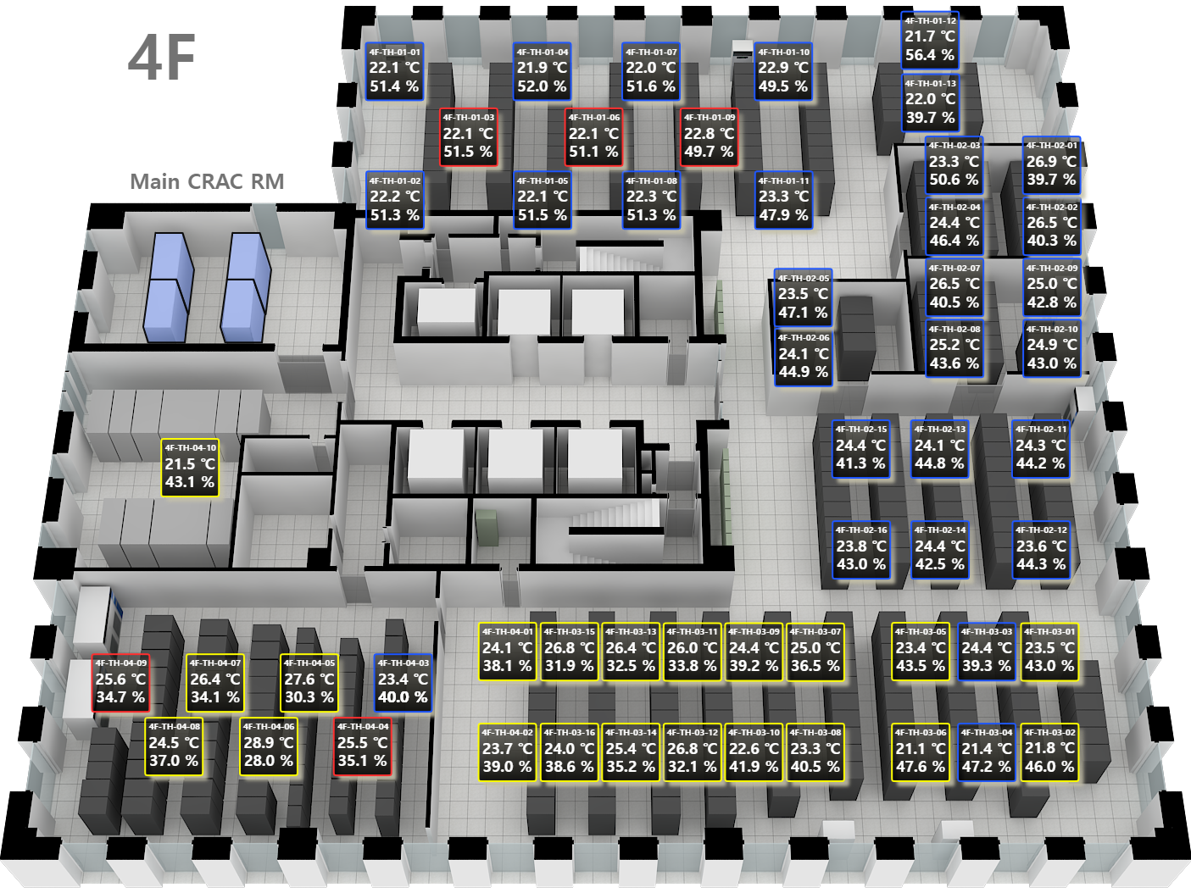
 | Device Name | 4/F |  | 5/F | 6/F |  | 7/F
 |  | Average Temp. | Ave Hum. | Average Temp. | Average Temp. | Ave Hum. | Average Temp. | Ave Hum.
 | TH-01-01
 | TH-01-02
 | TH-01-03
 | TH-01-04
 | TH-01-05
 | TH-01-06
 | TH-01-07
 | TH-01-08
 | TH-01-09
 | TH-01-10
 | TH-01-11
 | TH-01-12
 | TH-01-13
 | TH-01-14
 | TH-01-15
 | TH-01-16
 | TH-02-01
 | TH-02-02
 | TH-02-03
 | TH-02-04
 | TH-02-05
 | TH-02-06
 | TH-02-07
 | TH-02-08
 | TH-02-09
 | TH-02-10
 | TH-02-11
 | TH-02-12
 | TH-02-13
 | TH-02-14
 | TH-02-15
 | TH-02-16
 | TH-03-01
 | TH-03-02
 | TH-03-03
 | TH-03-04
 | TH-03-05
 | TH-03-06
 | TH-03-07
 | TH-03-08
 | TH-03-09
 | TH-03-10
 | TH-03-11
 | TH-03-12
 | TH-03-13
 | TH-03-14
 | TH-03-15
 | TH-03-16
 | TH-04-01
 | TH-04-02
 | TH-04-03
 | TH-04-04
 | TH-04-05
 | TH-04-06
 | TH-04-07
 | TH-04-08
 | TH-04-09
 | TH-04-10
 | TH-04-11
 | TH-04-12
 | TH-04-13
 | TH-05-01
 | TH-05-02
 | TH-05-03
 | TH-05-04
 | TH-05-05
 | TH-05-06
 | TH-05-07
 | TH-05-08
 | TH-05-09
 | TH-05-10
 | TH-05-11
 | TH-05-12

